Seat
Seat Management System
1 | Visualizing the office floor plan
2 | Seating Capacity Details with seat numbers
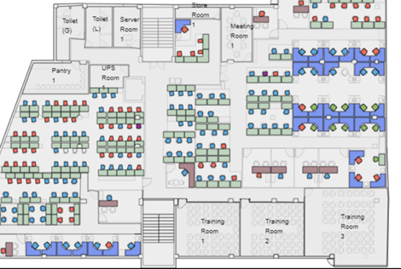
3 | Allocation to department - Email to be tiggered to Dept Head and line managers based in the allocation
4 | Allocation for new hires - Email to be tiggered with seat number to line managers and emp based in the allocation
5 | Deallocation - Email to be tiggered with seat number to line managers
6 | Sharing seat allocation options based in shift
7 | Dashboard & Reports
 | a. Total Seats
 | b. Allocated to department
 | c. Occupied by employee
 | d. Available seats

 | System Basic Logic:

 | Admin Panel / Forms – Approver
 | User Panel / Forms – Requester alocation & deallocation

